RAFI SEAFOOD (Seafood)
DATE | DESCRIPTION | QUANTITY | PRICE | BILLS | SUBTOTAL | TOTAL
2-Nov-2025 | SALMON FL | 4.7 | IDR 370,000 | 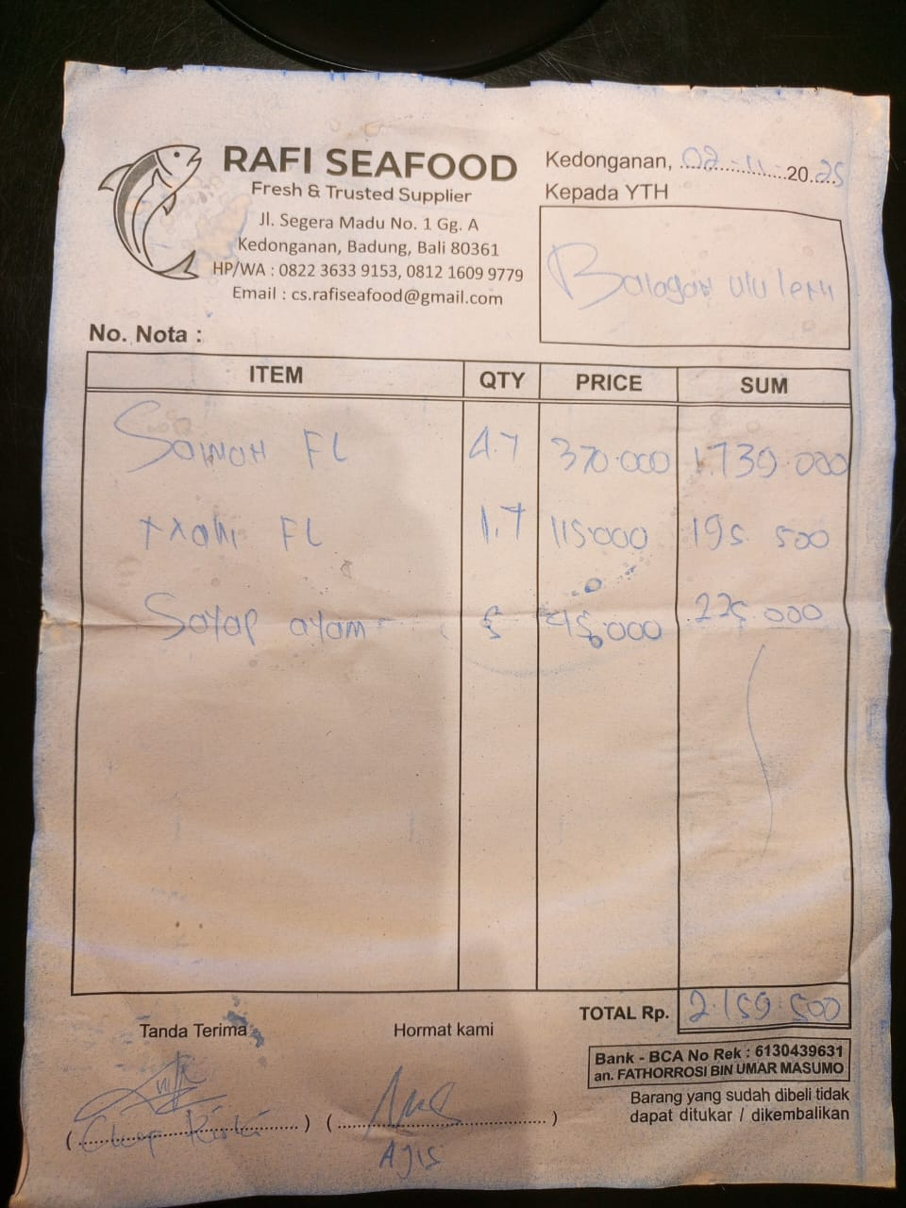 | IDR 1,739,000 | IDR 2,159,500
 | MAHI FL | 1.7 | IDR 115,000 |  | IDR 195,500
 | CHICKEN WING | 5 | IDR 45,000 |  | IDR 225,000
4-Nov-2025 | P20 | 3 | IDR 180,000 | 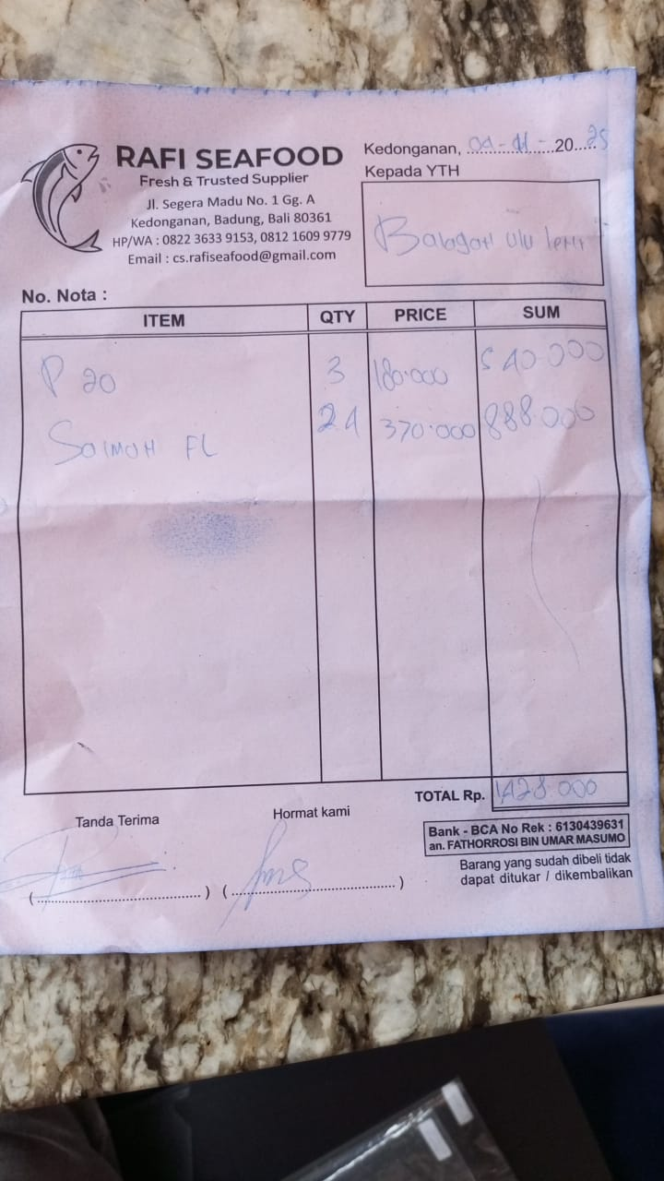 | IDR 540,000 | IDR 1,428,000
 | SALMON FL | 2.4 | IDR 370,000 |  | IDR 888,000
7-Nov-2025 | P20 | 3 | IDR 180,000 | 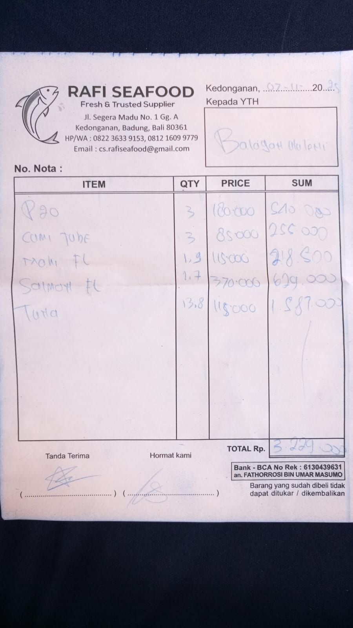 | IDR 540,000 | IDR 2,382,000
 | TUBE SQUID | 3 | IDR 85,000 |  | IDR 255,000
 | MAHI FL | 1.9 | IDR 115,000
 | SALMON FL | 1.7 | IDR 370,000
 | TUNA | 13.8 | IDR 115,000 |  | IDR 1,587,000
10-Nov-2025 | P20 | 2 | IDR 180,000 | 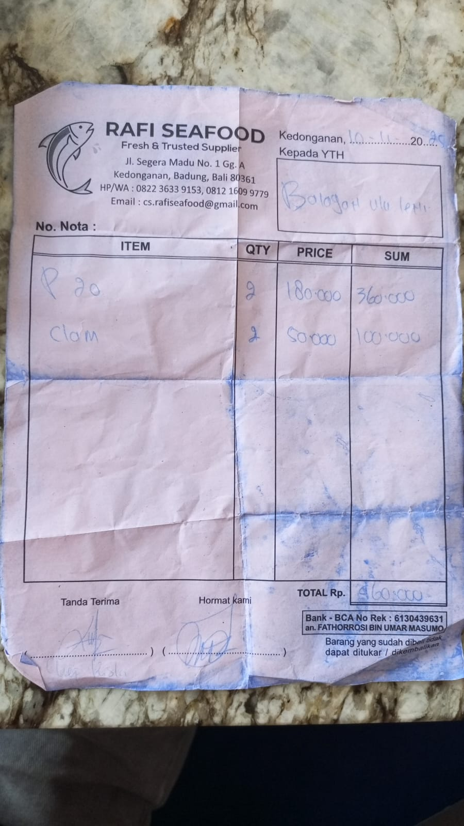 | IDR 360,000 | IDR 460,000
 | CLAM | 2 | IDR 50,000 |  | IDR 100,000
11-Nov-2025 | P20 | 5 | IDR 180,000 | 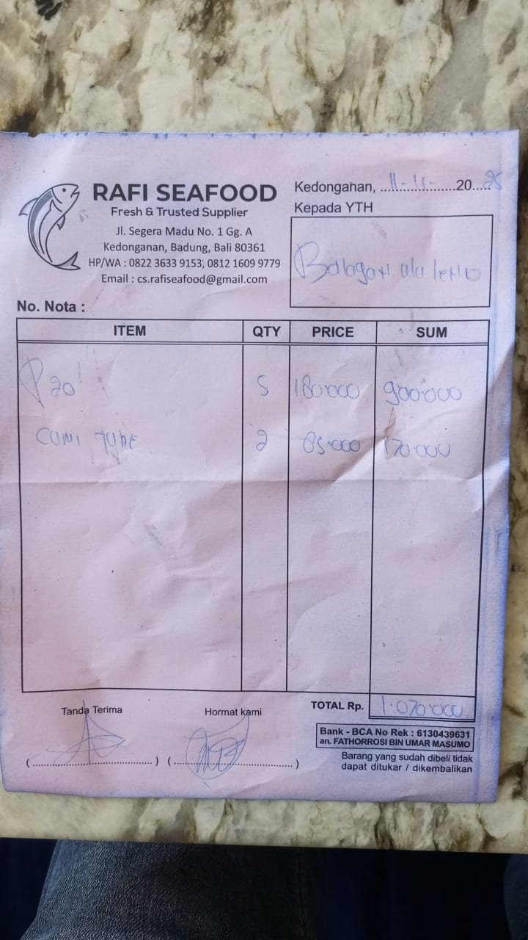 | IDR 900,000 | IDR 1,070,000
 | TUBE SQUID | 2 | IDR 85,000 |  | IDR 170,000
13-Nov-2025 | SALMON FL | 3.8 | IDR 370,000 | 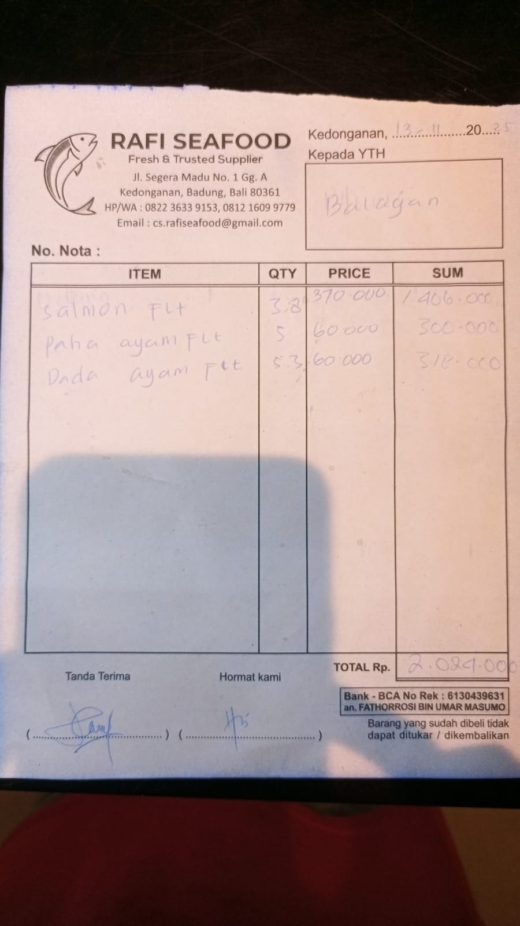 | IDR 1,406,000 | IDR 2,024,000
 | CHICKEN LEG FL | 5 | IDR 60,000 |  | IDR 300,000
 | CHICKEN BREAST FL | 5.3 | IDR 60,000 |  | IDR 318,000
17-Nov-2025 | TUNA | 14.6 | IDR 120,000 | 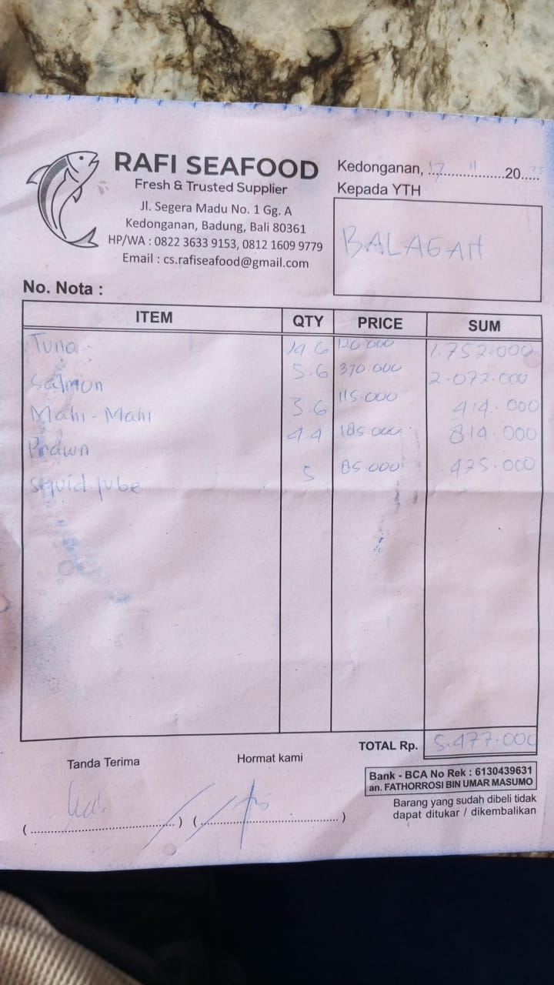 | IDR 1,752,000 | IDR 5,477,000
 | SALMON | 5.6 | IDR 370,000 |  | IDR 2,072,000
 | MAHI-MAHI | 3.6 | IDR 115,000 |  | IDR 414,000
 | PRAWN | 4.4 | IDR 185,000 |  | IDR 814,000
 | SQUID TUBE | 5 | IDR 85,000 |  | IDR 425,000
23-Nov-2025 | PRAWN | 2.9 | IDR 185,000 | 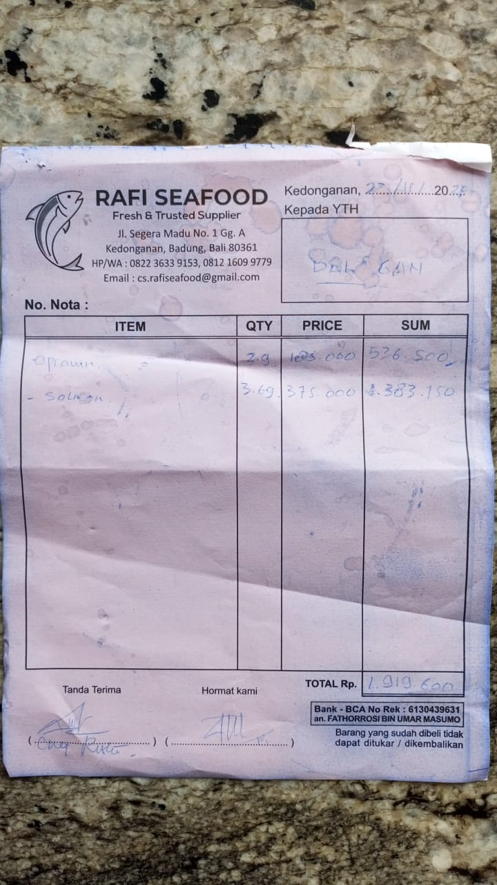 | IDR 536,500 | IDR 1,551,250
 | SALMON | 3.69 | IDR 275,000 |  | IDR 1,014,750
25-Nov-2025 | TUNA | 7.9 | IDR 120,000 | 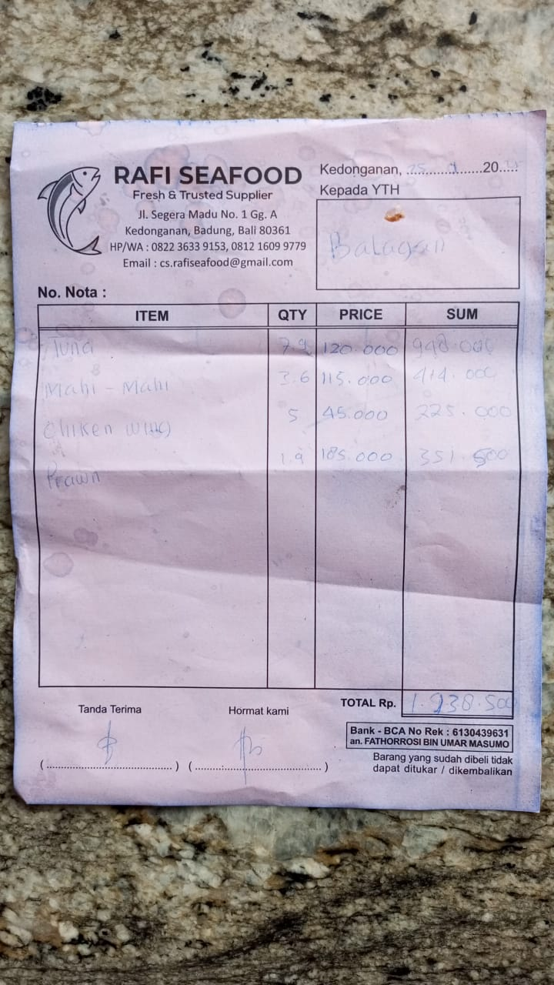 | IDR 948,000 | IDR 1,938,500
 | MAHI-MAHI | 3.6 | IDR 115,000 |  | IDR 414,000
 | CHICKEN WING | 5 | IDR 45,000 |  | IDR 225,000
 | PRAWN | 1.9 | IDR 185,000 |  | IDR 351,500
2-Nov-2025 | SALMON | 3.75 | IDR 370,000 | 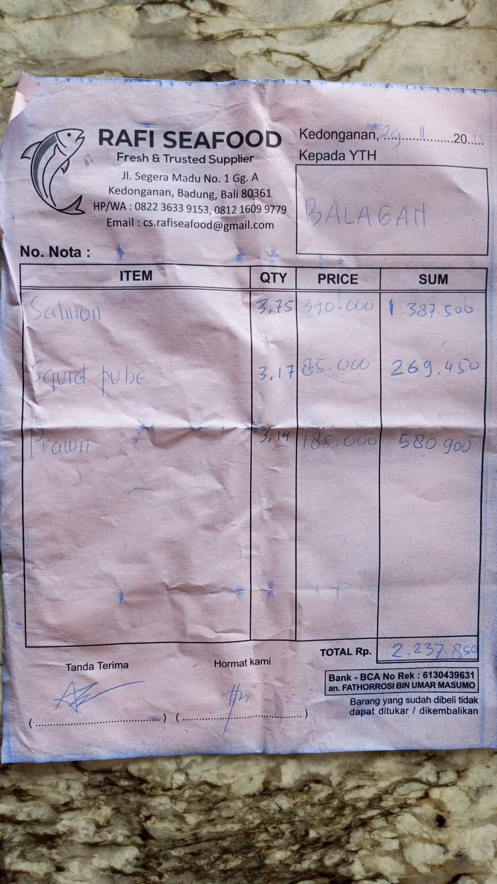 | IDR 1,387,500 | IDR 2,237,850
 | SQUID TUBE | 3.17 | IDR 85,000 |  | IDR 269,450
 | PRAWN | 3.14 | IDR 185,000 |  | IDR 580,900
 |  |  | Rp20,728,100

